Receiving
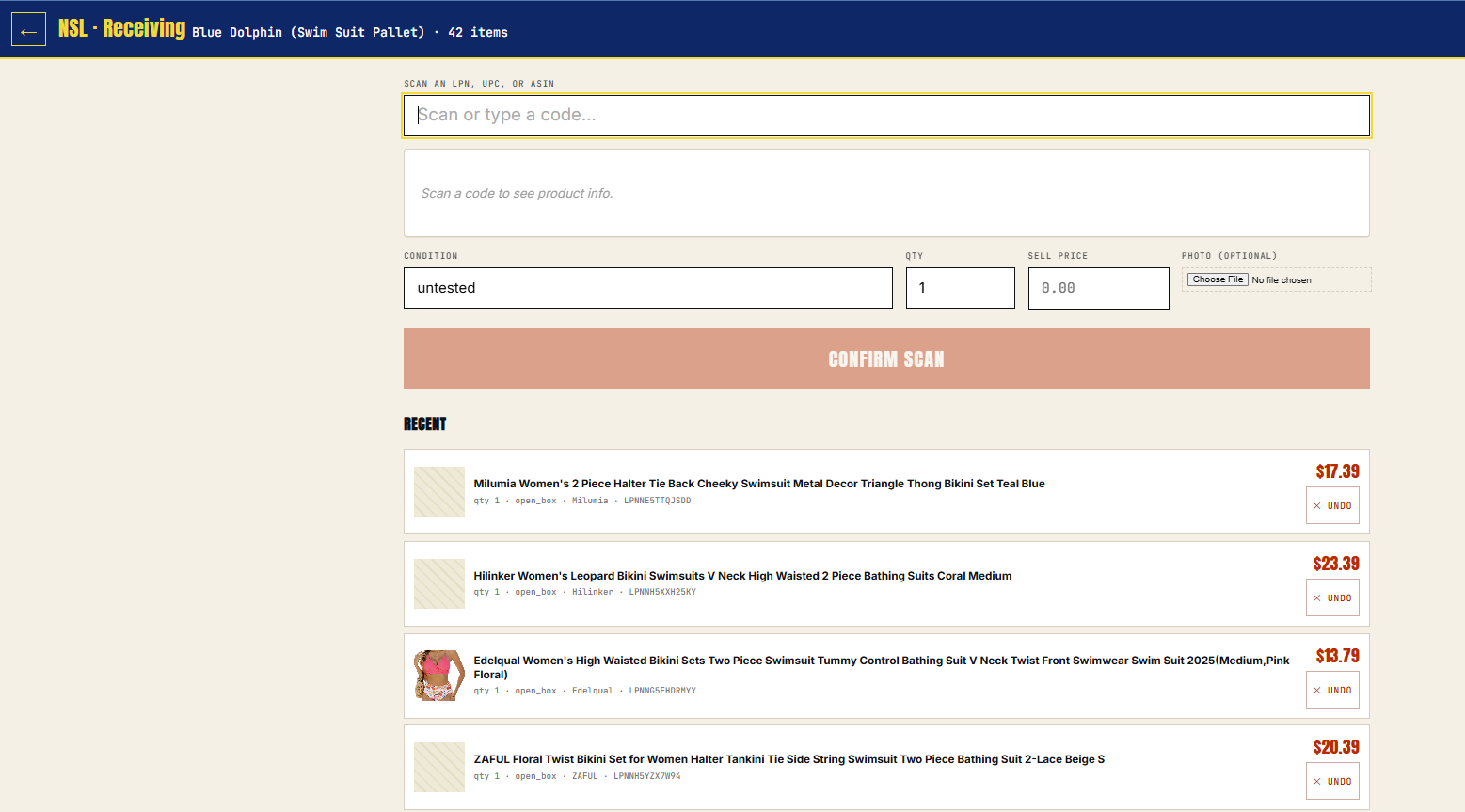
MSRP
COST
PRICE
Totals from items below
$39.54
$5.17
$10.50
Can this be a dropdown field to select the pallet we want to scan to instead of having to go to the admin page and select the pallet? We realized that we may be working on several pallets at a time based on the type of item. Or, can one be added above the 'Scan' field? Only pallets in draft mode would be eligible to be selected. "Confirm Scan" would not be available until a pallet was selected.

Pull from 'Unit Retail' column in Master Inventory spreadsheet

Pull from 'Unit Cost' column in Master Inventory spreadsheet

Pull from 'Wholesale Price' column in Master Inventory spreadsheet
MSRP
COST
PRICE

$17.39
$1.42
$4.50

$22.15
$3.75
$6.00

Admin
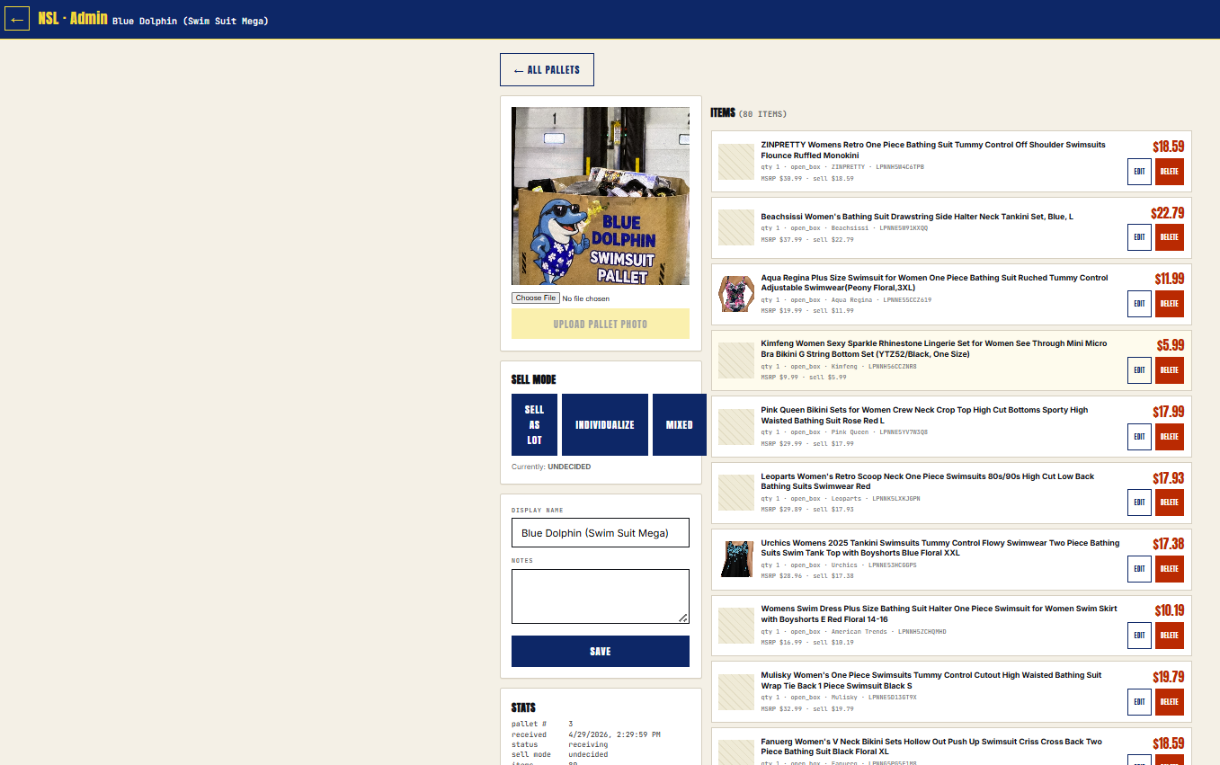
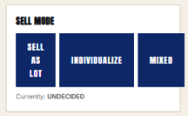

Pulls from 'Receiving' mode located at top of 'Price' column

Defaults to Pallet Price but can be manually overridden in that field to reflect the price to be shown on the main page

SELL MODE
DRAFT
LIVE
SOLD

PALLET PRICE:
$10.50
Currently: DRAFT
STARTING PRICE:
$12.00
SALE PRICE:
$11.00
Dropdown menu to select set categories (See Categories tab). To be located above "SELL MODE" but below the new pricing module.

Field to override the starting price to show on main page. Would be a sale price that would "cross out" the starting price and reflect a new discounted sale price
CATEGORY

APPAREL

REAL / GHOST
GHOST
Dropdown menu to select "REAL" or "GHOST". GHOST items to show as sold while REAL items are available for sale. Our way of showing inventory that we don't have and to spoof our actual inventory size until we scale.

